Functional Block Diagram
Connector
DF40HC(3.5)-50DS-0.4V(51)
Receptacle

SOC
Sensor
Shutter
Connector
DF40C-50DP-0.4V（51）
plug
384 Module

Digital Power Supply:VDD_5V0

Video Output:DVP/USB/MIPI

Command:
I2C_SLV/I2C_MST/UART0/UART1

Contrl:nRST/WORK_MODE

Pin Descriptions
Connector: DF40C-50DP-0.4V（51）；Hirose;0.4mm pitch;50pin; | No. | NAME | VOLTAGE | Fonction 1
 |  |  |  | I/O Type | Group | Description | Recommended Connection1 | Recommended Connection2 | Notes
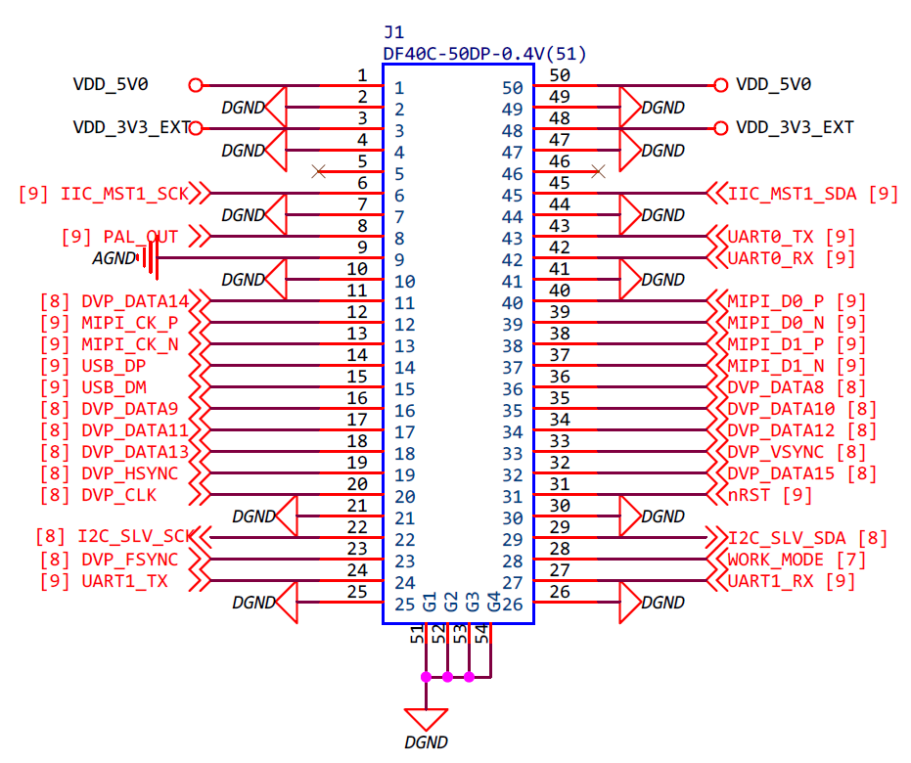 | 1 | VDD_5V0 | 5V | P_IN | POWER | Digital Power Supply | Connect to Digital Power Supply:VDD_5V0
 | 2 | DGND | / | G | DGND | DGND | Connect to DGND
 | 3 | VDD_3V3_EXT | 3.3V | P_IN | Reserved POWER | Reserved Digital Power Supply | Reserved Connect to Digital Power Supply:VDD_3V3 |  | Reserved
 | 4 | DGND | / | G | DGND | DGND | Connect to DGND
 | 5 | NC | / | NC | NC | No connection | Leave floating
 | 6 | IIC_MST1_SCK | 3.3V | I_PU/O | I2C | I2C Master:CLK | Connect to the I2C Slave_CLK of the client No pull up resistor is required
 | 7 | DGND | / | G | DGND | DGND | Connect to DGND
 | 8 | PAL_OUT | / | O | / | PAL output | Connect to PAL
 | 9 | AGND | / | O | / | DAC_GND | Connect to DAC_GND
 | 10 | DGND | / | G | DGND | DGND | Connect to DGND
 | 11 | DVP_DATA14 | 3.3V/1.8V | I_PD/O | DVP | Video Output DVP Signal:DATA6 | Connect to DVP interface:DATA6 | Connect to BT656 interface:DATA6 | The default power on is 1.8V. After the power on is complete, 3.3 and 1.8 can be configured
 | 12 | MIPI_CK_P | / | O | MIPI | Video Output MIPI Signal:MIPI_CK_P | Connect to MIPI interface:MIPI_CK_P |  | Differential impedance 100 Ω
 | 13 | MIPI_CK_N | / | O | MIPI | Video Output MIPI Signal:MIPI_CK_N | Connect to MIPI interface:MIPI_CK_N |  | Differential impedance 100 Ω
 | 14 | USB_DP | / | I/O | USB2.0 | Data signal positive terminal of USB2.0 port | Connect to USB interface:USB2.0 DP |  | Differential impedance 90 Ω
 | 15 | USB_DM | / | I/O | USB2.0 | Data signal negative terminal of USB2.0 port | Connect to USB interface:USB2.0 DM |  | Differential impedance 90 Ω
 | 16 | DVP_DATA9 | 3.3V/1.8V | I_PD/O | DVP | Video Output DVP Signal:DATA1 | Connect to DVP interface:DATA1 | Connect to BT656 interface:DATA1 | The default power on is 1.8V. After the power on is complete, 3.3 and 1.8 can be configured
 | 17 | DVP_DATA11 | 3.3V/1.8V | I_PD/O | DVP | Video Output DVP Signal:DATA3 | Connect to DVP interface:DATA3 | Connect to BT656 interface:DATA3 | The default power on is 1.8V. After the power on is complete, 3.3 and 1.8 can be configured
 | 18 | DVP_DATA13 | 3.3V/1.8V | I_PD/O | DVP | Video Output DVP Signal:DATA5 | Connect to DVP interface:DATA5 | Connect to BT656 interface:DATA5 | The default power on is 1.8V. After the power on is complete, 3.3 and 1.8 can be configured
 | 19 | DVP_HSYNC | 3.3V/1.8V | I_PD/O | DVP | Video Output DVP Signal:HSYNC | Connect to DVP interface:HSYNC |  | The default power on is 1.8V. After the power on is complete, 3.3 and 1.8 can be configured
 | 20 | DVP_CLK | 3.3V/1.8V | I_PD/O | DVP | Video Output DVP Signal:CLK | Connect to DVP interface:CLK | Connect to BT656 interface:CLK | The default power on is 1.8V. After the power on is complete, 3.3 and 1.8 can be configured
 | 21 | DGND | / | G | DGND | DGND | Connect to DGND
 | 22 | I2C_SLV_SCK | 3.3V/1.8V | I_PU/OOD | I2C | I2C Slave:CLK | Connect to the I2C master_CLK of the client No pull up resistor is required |  | One power domain with the DVP The default power on is 1.8V. After the power on is complete, 3.3 and 1.8 can be configured
 | 23 | DVP_FSYNC | 3.3V/1.8V | I_PD/O | DVP | Video Output DVP Signal:FSYNC | Connect to DVP interface:FSYNC(Leave floating if unused) |  | The default power on is 1.8V. After the power on is complete, 3.3 and 1.8 can be configured
 | 24 | UART1_TX/GPIO[29] | 3.3V | I_PU/O | GPIO | UART1_TX/GPIO[29] | Connect to the RX of the client | GPIO
 | 25 | DGND | / | G | DGND | DGND | Connect to DGND
 | 26 | DGND | / | G | DGND | DGND | Connect to DGND
 | 27 | UART1_RX/GPIO[30] | 3.3V | I_PU/O | GPIO | UART1_RX/GPIO[30] | Connect to the TX of the client | GPIO
 | 28 | WORK_MODE | 3.3V | I_PD | WORK_MODE | Chip mode selection | Placement of measuring point Leave floating if unused
 | 29 | I2C_SLV_SDA | 3.3V/1.8V | I_PU/OOD | I2C | I2C Slave:SDA | Connect to the I2C master_SDA of the client No pull up resistor is required |  | One power domain with the DVP The default power on is 1.8V. After the power on is complete, 3.3 and 1.8 can be configured
 | 30 | DGND | / | G | DGND | DGND | Connect to DGND
 | 31 | nRST | 3.3V | I_PU | RESET | Reset signal for SOC | Connect to Reset Control PIN;Active low; Leave floating if unused Reset after power supply stabilizes
 | 32 | DVP_DATA15 | 3.3V/1.8V | I_PD/O | DVP | Video Output DVP Signal:DATA7 | Connect to DVP interface:DATA7 | Connect to BT656 interface:DATA7 | The default power on is 1.8V. After the power on is complete, 3.3 and 1.8 can be configured
 | 33 | DVP_VSYNC | 3.3V/1.8V | I_PD/O | DVP | Video Output DVP Signal:VSYNC | Connect to DVP interface:VSYNC |  | The default power on is 1.8V. After the power on is complete, 3.3 and 1.8 can be configured
 | 34 | DVP_DATA12 | 3.3V/1.8V | I_PD/O | DVP | Video Output DVP Signal:DATA4 | Connect to DVP interface:DATA4 | Connect to BT656 interface:DATA4 | The default power on is 1.8V. After the power on is complete, 3.3 and 1.8 can be configured
Images | 35 | DVP_DATA10 | 3.3V/1.8V | I_PD/O | DVP | Video Output DVP Signal:DATA2 | Connect to DVP interface:DATA2 | Connect to BT656 interface:DATA2 | The default power on is 1.8V. After the power on is complete, 3.3 and 1.8 can be configured
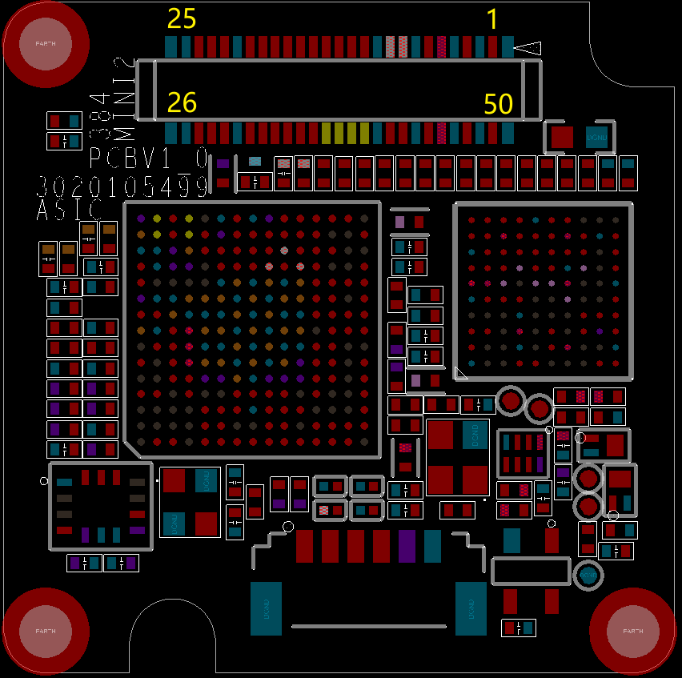 | 36 | DVP_DATA8 | 3.3V/1.8V | I_PD/O | DVP | Video Output DVP Signal:DATA0 | Connect to DVP interface:DATA0 | Connect to BT656 interface:DATA0 | The default power on is 1.8V. After the power on is complete, 3.3 and 1.8 can be configured
 | 37 | MIPI_D1_N | / | O | MIPI | Video Output MIPI Signal:MIPI_D1_N | Connect to MIPI interface:MIPI_D1_N |  | Differential impedance 100 Ω
 | 38 | MIPI_D1_P | / | O | MIPI | Video Output MIPI Signal:MIPI_D1_P | Connect to MIPI interface:MIPI_D1_P |  | Differential impedance 100 Ω
 | 39 | MIPI_D0_N | / | O | MIPI | Video Output MIPI Signal:MIPI_D0_N | Connect to MIPI interface:MIPI_D0_N |  | Differential impedance 100 Ω
 | 40 | MIPI_D0_P | / | O | MIPI | Video Output MIPI Signal:MIPI_D0_P | Connect to MIPI interface:MIPI_D0_P |  | Differential impedance 100 Ω
 | 41 | DGND | / | G | DGND | DGND | Connect to DGND
 | 42 | UART0_RX | 3.3V | I_PU | UART | UART0_RX | Connect to the TX of the client
 | 43 | UART0_TX | 3.3V | O | UART | UART0_TX | Connect to the RX of the client
 | 44 | DGND | / | G | DGND | DGND | Connect to DGND
 | 45 | IIC_MST1_SDA | 3.3V | I_PU/O | I2C | I2C Master:SDA | Connect to the I2C Slave_SDA of the client No pull up resistor is required
 | 46 | NC | / | NC | NC | No connection | Leave floating
 | 47 | DGND | / | G | DGND | DGND | Connect to DGND
 | 48 | VDD_3V3_EXT | 3.3V | P_IN | Reserved POWER | Reserved Digital Power Supply | Reserved Connect to Digital Power Supply:VDD_3V3 |  | Reserved
 | 49 | DGND | / | G | DGND | DGND | Connect to DGND
 | 50 | VDD_5V0 | 5V | P_IN | POWER | Digital Power Supply | Connect to Digital Power Supply:VDD_5V0
 | 51 | DGND | / | G | DGND | DGND | Please Ignore!It only exists on the plug
 | 52 | DGND | / | G | DGND | DGND | Please Ignore!It only exists on the plug
 | 53 | DGND | / | G | DGND | DGND | Please Ignore!It only exists on the plug
 | 54 | DGND | / | G | DGND | DGND | Please Ignore!It only exists on the plug

